Certificate
We HIGHLY recommend that a high quality certificate paper or parchment is used to print these certificates.

Note:
1. Type in the information below.
2. Set the print area at A16: N55. (File-Print Area-Set Print Area)
3. Click on the print icon or (File-Print) to print the certificate and
4. Then type in the next persons name & FFA Chapter.
5. Repeat these steps until all certificates are printed.

REMEMBER THE TAB KEY WILL TAKE YOU TO THE NEXT CELL THAT WILL ACCEPT INFORMATION!
Name of Recipient |  | Type First & Last Name Here!
FFA Chapter Name: |  | Type FFA Chapter Name Here
Area Number: |  | SELECT |  | SELECT FROM DROP DOWN MENU
Area Banquet Month: |  | SELECT |  | SELECT FROM DROP DOWN MENU
Day of Area Banquet: |  | SELECT |  | SELECT FROM DROP DOWN MENU

YOU MUST USE YOUR ARROW KEYS TO SCROLL DOWN TO VIEW THE CERTIFICATE, IF YOU DESIRE!

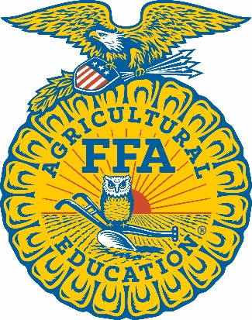

 |  |  |  |  | Missouri |  |  | Association

 | Area FFA Degree

 | Presented to |  |  |  |  |  | Type First & Last Name Here! |  |  | a member

 | of the | Type FFA Chapter Name Here |  |  |  |  | FFA Chapter, in Area |  | SELECT | of the

 |  |  |  |  |  |  | Missouri FFA Association.

 |  | Given this | SELECT |  |  | day of | SELECT |  | , 2024.


 |  | State FFA President |  |  |  |  |  |  | State FFA Advisor

 |  | Area FFA President |  |  |  |  |  |  | Area FFA Advisor

